Sheet1
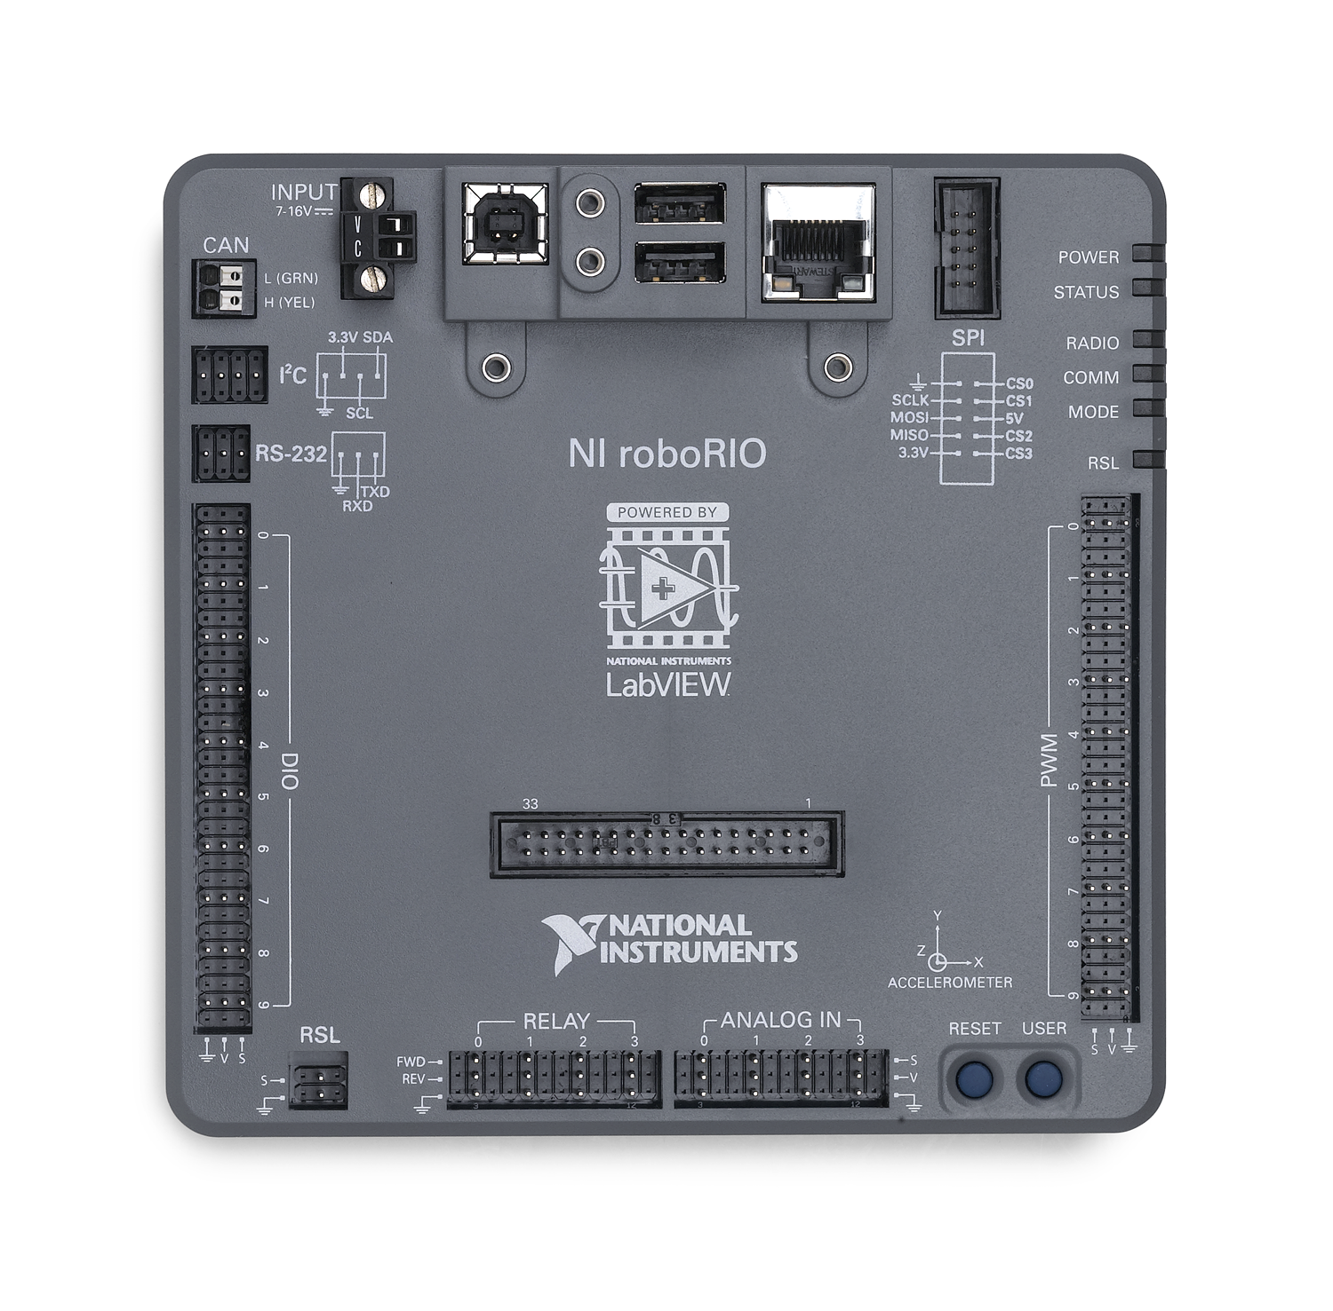
DIO | Function |  | PCM
0 | Kicker Ready Limit |  | 0 | Intake Lift
1 |  |  | 1
2 |  |  | 2
3 |  |  | 3
4 |  |  | 4
5 |  |  | 5
6 |  |  | 6
7 |  |  | 7
8 |  |  | Compressor | Yes
9 |  |  | Pressure Switch | Yes

PWM | Function
0 | Left Rear | SPARK
1 | Left Front | SPARK
2 | Right Rear | SPARK
3 | Right Front | SPARK
4 | Kicker | Victor SP
5 | Beater Bar | Victor SP
6
7
8
9

Relay | Function
0
1
2
3

Analog | Function
0 | Gyro
1 | Gyro Temp
2
3

 | Function
CAN
I2C
RS-232

